fdi_pst_principal
FD domains | 9/1/2016 March Data | 6/1/2016 Oct Data | June 2016 March Data
Domain 1 avg | 2.91 | 2.75 | 3.70
Domain 2 avg | 3.10 | 3.01 | 3.83
Domain 3 avg | 2.83 | 2.62 | 3.53
Domain 4 avg | 3.26 | 3.05 | 3.92
FDI | 2.96 | 2.81 | 3.68

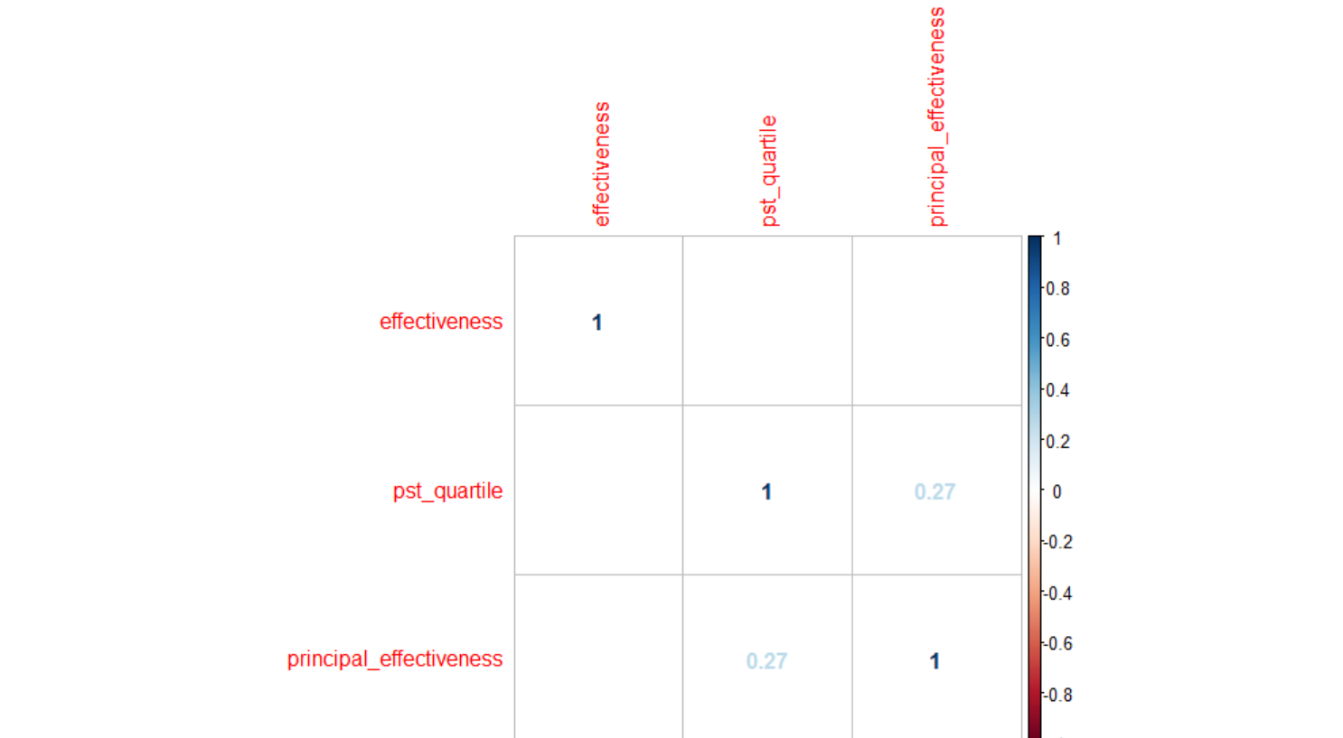
effectiveness | mean_pst_rating |  |  | principal_effectiveness rating (0 is lowest, 4 is highest) | percent | count
1 | 2.66 |  |  | 0 | 3.39% | 2
2 | 2.66 |  |  | 1 | 5.08% | 3
3 | 2.69 |  |  | 2 | 44.07% | 26
4 | 2.72 |  |  | 3 | 42.37% | 25
*while there is no significant correlation between FDI effectiveness rating |  |  |  | 4 | 5.08% | 3
and PST scores, there is a trend of those rated higher on FDI also having
a higher PST score

principal_effectiveness | effectiveness | percent
0 | 1 | 50.00%
2 | 1 | 15.38%
3 | 1 | 12.00%
NA | 1 | 7.02%
0 | 2 | 50.00%
1 | 2 | 100.00%
2 | 2 | 57.69%
3 | 2 | 72.00%
4 | 2 | 66.67% |  |  | *there is a moderate, significant correlation between pst quartile and principal survey ratings
NA | 2 | 75.44%
2 | 3 | 19.23%
3 | 3 | 16.00%
4 | 3 | 33.33%
NA | 3 | 17.54%
2 | 4 | 7.69%

*no clear relationship between fdi effectiveness and principal ratings

principal_effectiveness | pst_quartile | percent
0 | 1 | 100.00%
1 | 1 | 33.33%
2 | 1 | 11.54%
3 | 1 | 28.00%
NA | 1 | 28.07%
2 | 2 | 38.46%
3 | 2 | 20.00%
NA | 2 | 24.56%
1 | 3 | 66.67%
2 | 3 | 23.08%
3 | 3 | 20.00%
NA | 3 | 36.84%
2 | 4 | 26.92%
3 | 4 | 32.00%
4 | 4 | 100.00%
NA | 4 | 10.53%

*there is a moderate, significant correlation between pst quartile and principal rating

alt effectiveness
dom23_quartile | percent | count |  |  | all_dom_quartile | percent | count
1 | 0.3035714 | 34 |  |  | 1 | 0.2612613 | 29
2 | 0.3035714 | 34 |  |  | 2 | 0.2792793 | 31
3 | 0.2053571 | 23 |  |  | 3 | 0.2072072 | 23
4 | 0.1875 | 21 |  |  | 4 | 0.2522523 | 28

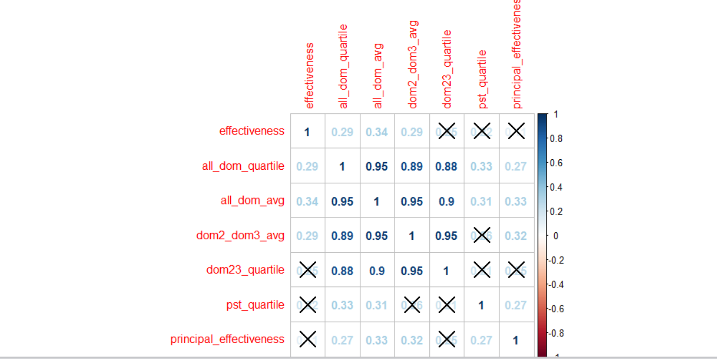
dom23_quartile | all_dom_quartile | effectiveness | percent | count
1 | 1 | 1 | 0.12 | 3
1 | 1 | 2 | 0.8 | 20
1 | 1 | 3 | 0.04 | 1
1 | 1 | 4 | 0.04 | 1
1 | 2 | 1 | 0.33333333 | 3
1 | 2 | 2 | 0.55555556 | 5
1 | 2 | 3 | 0.11111111 | 1
2 | 1 | 2 | 1 | 4
2 | 2 | 1 | 0.11111111 | 2
2 | 2 | 2 | 0.77777778 | 14
2 | 2 | 3 | 0.11111111 | 2
2 | 3 | 2 | 0.625 | 5
2 | 3 | 3 | 0.25 | 2
2 | 3 | 4 | 0.125 | 1
2 | 4 | 2 | 1 | 3
2 | NA | 2 | 1 | 1
3 | 2 | 1 | 0.25 | 1
3 | 2 | 2 | 0.5 | 2
3 | 2 | 3 | 0.25 | 1
3 | 3 | 1 | 0.07692308 | 1
3 | 3 | 2 | 0.69230769 | 9
3 | 3 | 3 | 0.23076923 | 3 |  |  | *moderate, significant correlation between all_dom_avg/quartile and pst quartile, as well as principal effectiveness rating
3 | 4 | 2 | 0.66666667 | 4
3 | 4 | 3 | 0.33333333 | 2
4 | 3 | 2 | 1 | 2
4 | 4 | 2 | 0.57894737 | 11
4 | 4 | 3 | 0.42105263 | 8

anchor and nonanchor
cohort | anchor mean | non anchor mean
Jun-16 | 2.602246 | 2.663803
Sep-16 | 2.80819 | 2.721466
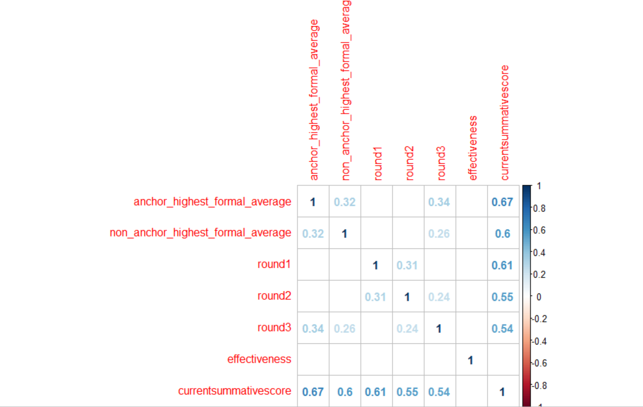
*the average anchor and non-anchor technique scores were higher for the September 2016 cohort
than the June 2016 cohort

*while both are stronlgy correlated with final PST score, anchor technique scores
are most closely correlated with final PST scores (as compared to non-anchor techniques)

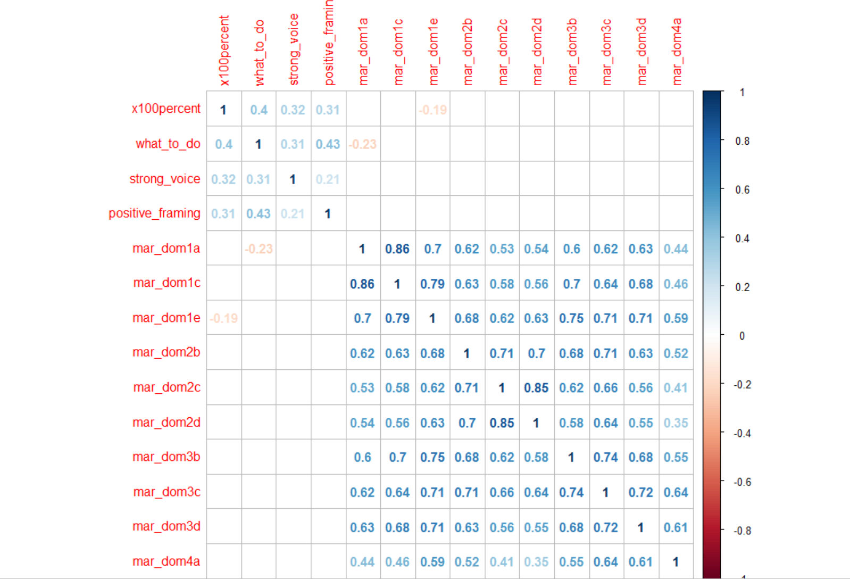

*the correlation matrix to the right shows correlations between all anchor techniques and domains of FDI

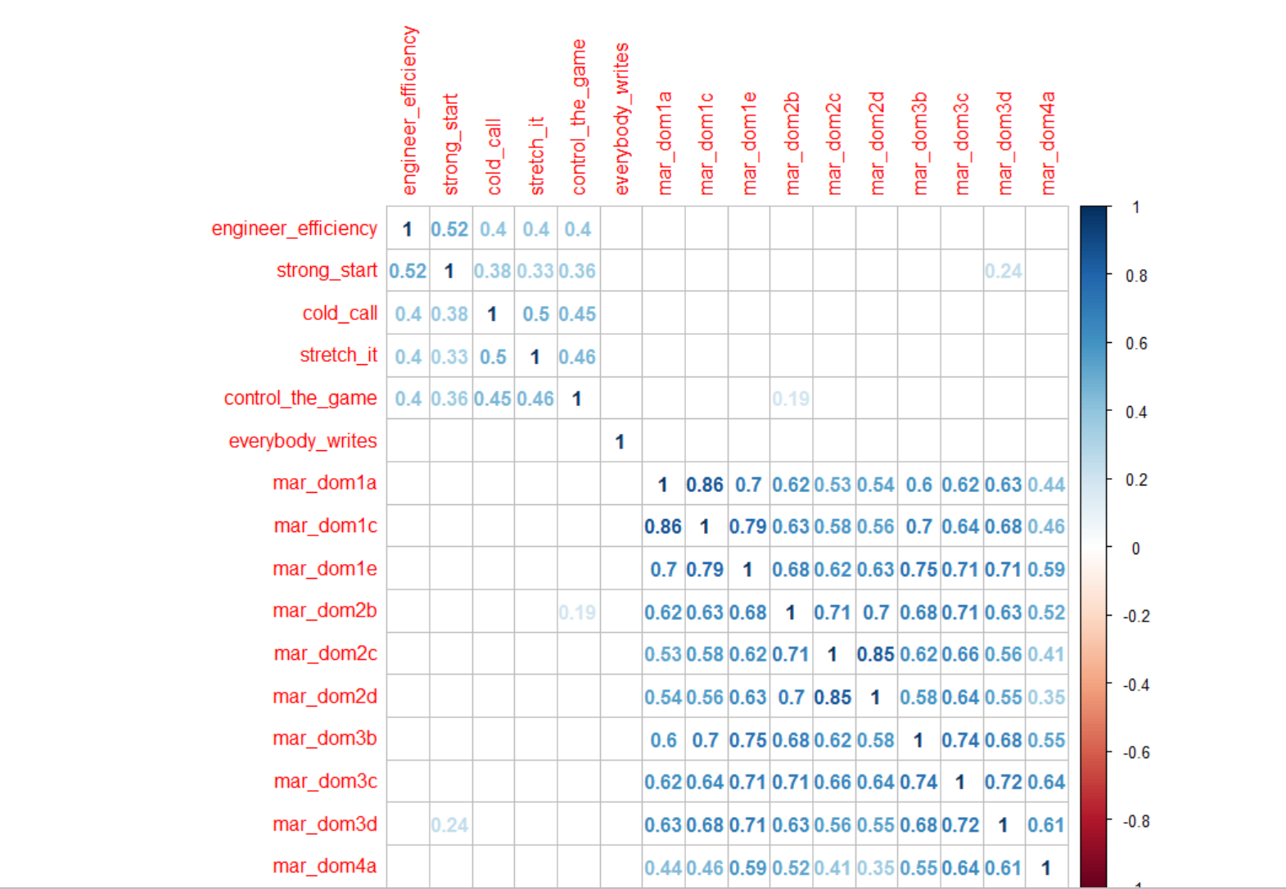

*the correlation matrix to the right shows correlations between all non-anchor techniques and domains of FDI

rounds
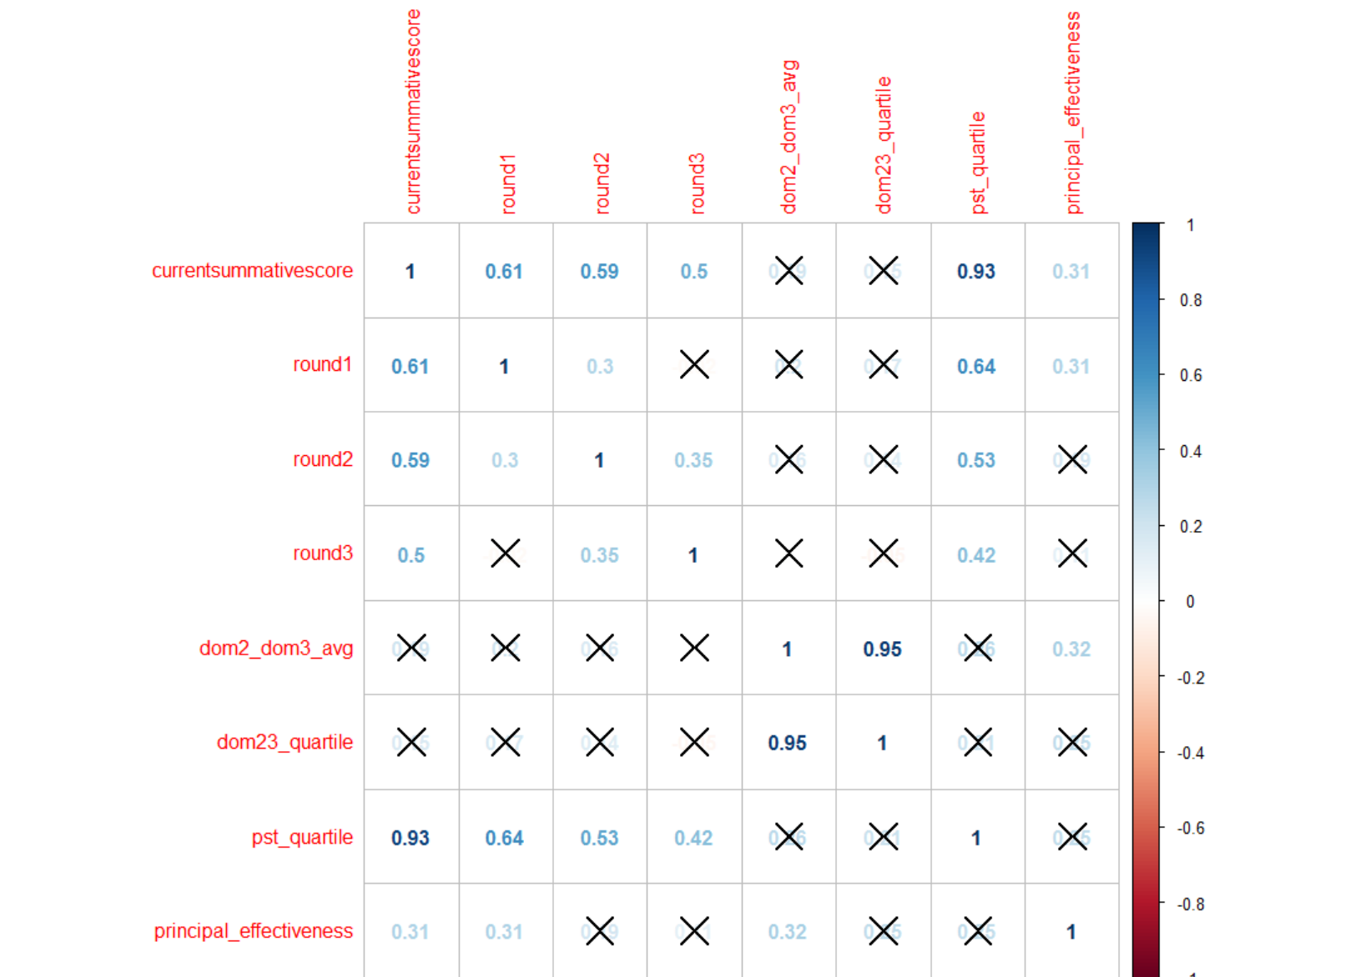
cohort | week 1 | week 2 | week 3 | week 4 | week 5a | week 5b
Jun-16 | NA | 1.81 | 2.08 | 2.46 | 2.54 | 2.71
2017-09-16 | 2.65 | 2.66 | 2.82 | NA | NA | NA

*as shown in the correlation matrix, round 1 ratings are most highly correlated with Fellows' final PST scores for September 2016

coach_ratings
level | principal_effectiveness | percent |  |  | level | effectiveness | percent | level | pst_quartile | percent
1 | 2 | 33.33% |  |  | 1 | 1 | 33.33% | 1 | 2 | 33.33%
1 | 3 | 33.33% |  |  | 1 | 2 | 33.33% | 1 | 3 | 33.33%
1 | NA | 33.33% |  |  | 1 | 4 | 33.33% | 1 | 4 | 33.33%
2 | 2 | 20.00% |  |  | 2 | 2 | 80.00% | 2 | 1 | 20.00%
2 | 3 | 10.00% |  |  | 2 | 3 | 20.00% | 2 | 2 | 40.00%
2 | 4 | 10.00% |  |  | 3 | 2 | 71.43% | 2 | 3 | 20.00%
2 | NA | 60.00% |  |  | 3 | 3 | 28.57% | 2 | 4 | 20.00%
3 | 0 | 7.14% |  |  | NA | 1 | 12.36% | 3 | 1 | 35.71%
3 | 1 | 14.29% |  |  | NA | 2 | 70.79% | 3 | 2 | 21.43%
3 | 3 | 21.43% |  |  | NA | 3 | 15.73% | 3 | 3 | 35.71%
3 | NA | 57.14% |  |  | NA | 4 | 1.12% | 3 | 4 | 7.14%
NA | 0 | 1.12% |  |  |  |  |  | NA | 1 | 24.72%
NA | 1 | 1.12% |  |  |  |  |  | NA | 2 | 23.60%
NA | 2 | 25.84% |  |  |  |  |  | NA | 3 | 29.21%
NA | 3 | 22.47% |  |  |  |  |  | NA | 4 | 22.47%
NA | 4 | 2.25%
NA | NA | 47.19%

*no correlation between coach rating and FE

 |  |  |  |  | level | d75 | count
 |  |  |  |  | 1 | D75 | 1
coachname | level |  |  |  | 1 | NA | 2
Riyad Baksh | 3 |  |  |  | 2 | D75 | 1
Dalvin Bartley | 3 |  |  |  | 2 | NA | 9
Alexis Betancourt | 3 |  |  |  | 3 | NA | 14
Nia Brown | 2 |  |  |  | *were there really only 2 D75 coaches that were evaluated by our team?
Danielle Cooley | 3
Hollie Cottrell | 2
Vaughn Danvers | 1
Christina Dessources | 2 |  |  | *there is a significant, large correlation between pst quartile and principal survey results
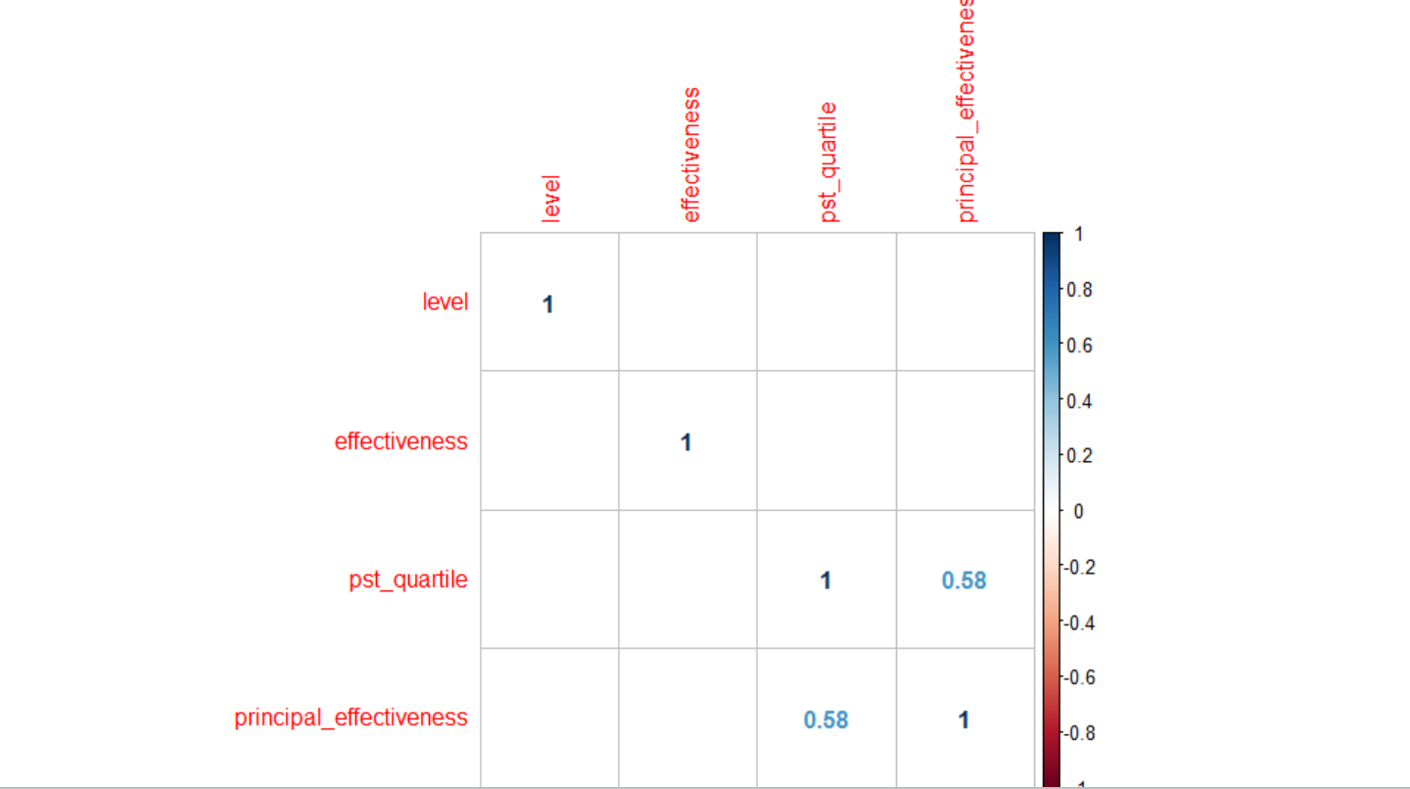
Kristin Donnelly | 3
Hugh Fletcher | 2
Kelly Johnston | 1
Marlowe Knipes | 3
Nadine Lewis | 2
Lori-Ann Lowe | 1
Rachel McSween | 3
Sam Mercuris | 2
Deirdre Metcalf | 3
Stacey Murray | 3
Claudette Oliveras | 2
Analia Penta | 2
Jason Petsch | 3
Fran Piccone | 2
Sohail Qureshi | 2
Lauren Ravit-Franceskin | 3
Patrice Saunders | 3
Ashley Steed | 2
Lamar Timmons | 3
Mary Williams | 1
Monique Wilson | 2

returner | d75 | pst_quartile | count
No | D75 | 2 | 1
No | D75 | 3 | 1
No | NA | 2 | 3
No | NA | 3 | 2
No | NA | 4 | 4
Yes | NA | 1 | 7
Yes | NA | 2 | 4
Yes | NA | 3 | 5
NA | D75 | 1 | 1
NA | D75 | 2 | 5
NA | D75 | 3 | 10
NA | D75 | 4 | 5
NA | NA | 1 | 21
NA | NA | 2 | 16
NA | NA | 3 | 16
NA | NA | 4 | 15

vs 2016
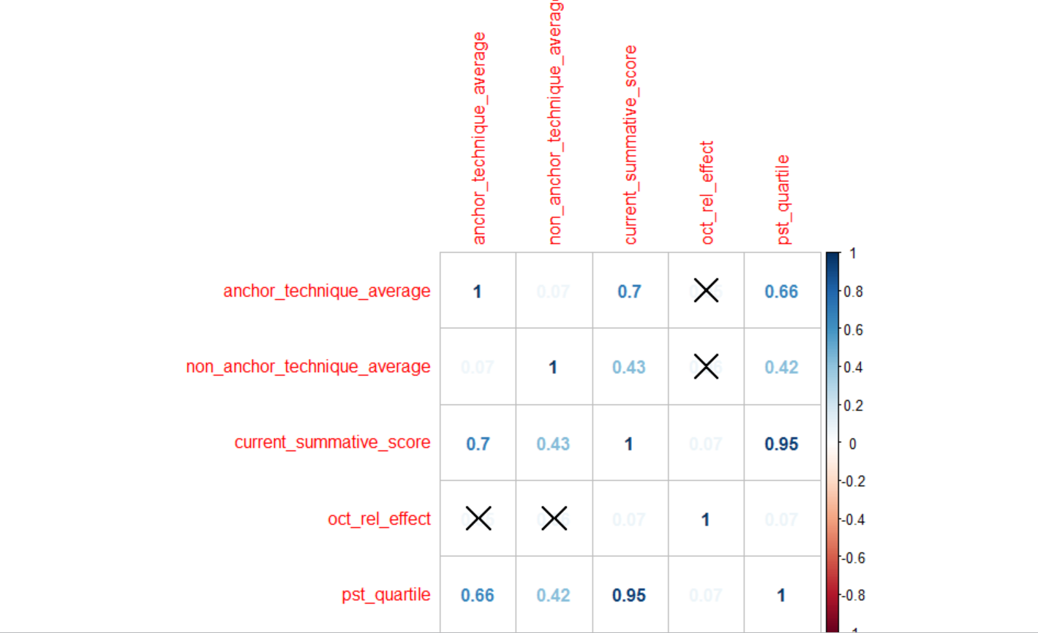
pst_june_2016_quartile | percent | count | pst_quartile_sept_2016 | percent | count
1 | 25.33% | 324 | 1 | 25.00% | 29
2 | 25.57% | 327 | 2 | 25.00% | 29
3 | 24.55% | 314 | 3 | 29.31% | 34
4 | 24.55% | 314 | 4 | 20.69% | 24
*quartiles are as follows--1=bottom 25%, 2=25-50%, 3=50-75%, 4= top 25%

mean_pst_score june 2016 | mean_pst_score sept 2016
2.53 | 2.67

sept_2016_effectiveness | mean_pst_rating |  | june_2016_effectiveness | mean_pst_rating
1 | 2.66 |  | 1 | 2.52
2 | 2.66 |  | 2 | 2.56
3 | 2.69 |  | 3 | 2.58
4 | 2.72 |  | 4 | 2.59

*similar trends in june and sept in terms of fdi effectiveness and PST scores.

Sept_2016_effectiveness | count | percent
1 | 34 | 30.36% |  |  |  |  | *oct_rel_effect is FDI effectiveness rating for the June 2016 cohort
2 | 34 | 30.36%
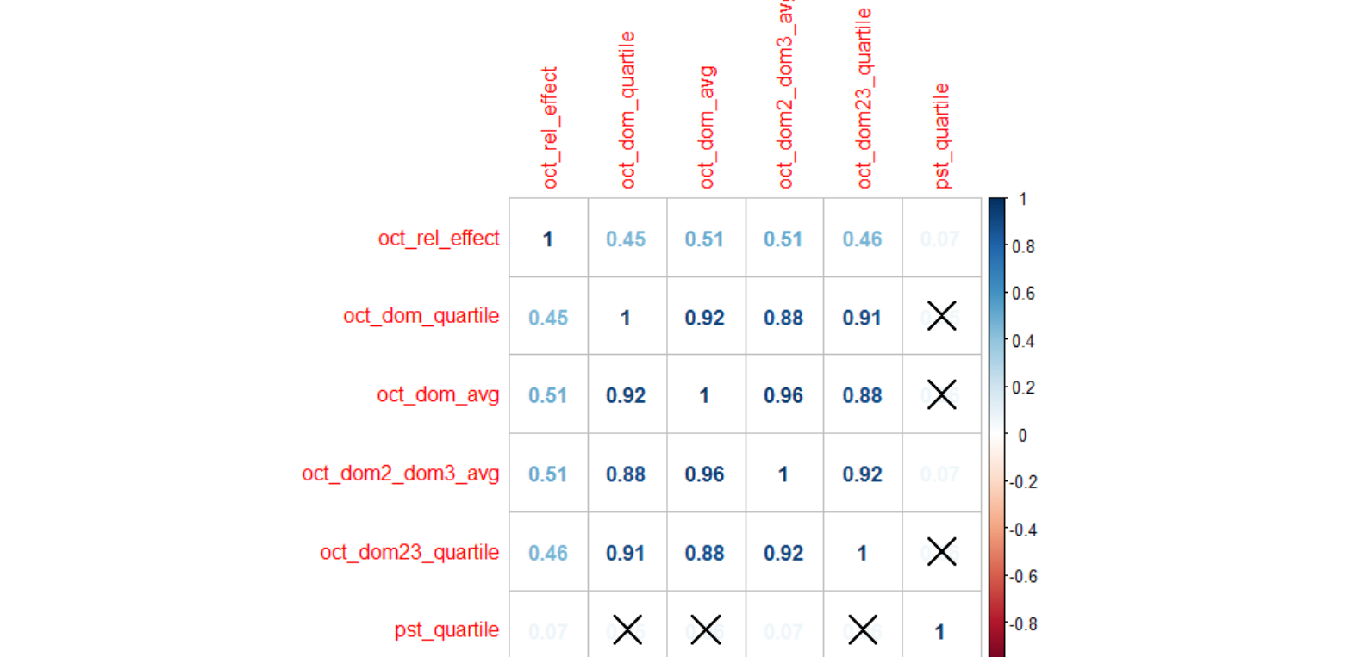
3 | 23 | 20.54%
4 | 21 | 18.75%

*slightly higher percentage of June 2016 Fellows in higher fdi effectiveness ratings

June 2016 Oct FDI Rating | percent | count | September 2016 Mar FDI Rating | percent | count
1 | 0.54% | 5 | 1.5 | 0.89% | 1
1.166667 | 0.54% | 5 | 1.833333 | 2.68% | 3
1.333333 | 0.65% | 6 | 2 | 14.29% | 16
1.333333 | 0.33% | 3 | 2.166667 | 0.89% | 1
1.5 | 1.63% | 15 | 2.166667 | 0.89% | 1
1.666667 | 1.85% | 17 | 2.333333 | 4.46% | 5
1.666667 | 0.54% | 5 | 2.5 | 6.25% | 7
1.833333 | 1.63% | 15 | 2.666667 | 3.57% | 4
2 | 15.96% | 147 | 2.666667 | 8.04% | 9
2.166667 | 0.54% | 5 | 2.833333 | 2.68% | 3
2.166667 | 5.54% | 51 | 2.833333 | 0.89% | 1
2.25 | 0.33% | 3 | 3 | 15.18% | 17 | *There is a very weak, but significant, correlation between FDI rating (domain 2 and 3 average) and PST quartile for June 2016 Fellows
2.333333 | 5.10% | 47 | 3.166667 | 0.89% | 1
2.333333 | 1.74% | 16 | 3.166667 | 6.25% | 7
2.416667 | 0.11% | 1 | 3.333333 | 6.25% | 7
2.5 | 8.25% | 76 | 3.5 | 7.14% | 8
2.666667 | 0.76% | 7 | 3.666667 | 0.89% | 1
2.666667 | 4.45% | 41 | 3.666667 | 3.57% | 4
2.833333 | 5.10% | 47 | 3.833333 | 2.68% | 3
2.833333 | 1.09% | 10 | 4 | 4.46% | 5
2.916667 | 0.22% | 2 | 4.166667 | 2.68% | 3
3 | 9.01% | 83 | 4.166667 | 0.89% | 1
3.166667 | 0.98% | 9 | 4.333333 | 0.89% | 1
3.166667 | 3.04% | 28 | 4.666667 | 0.89% | 1
3.333333 | 4.78% | 44 | 5 | 1.79% | 2
3.333333 | 0.87% | 8 | *54% of Fellows rated 3 or higher
3.416667 | 0.11% | 1
3.5 | 5.21% | 48
3.583333 | 0.11% | 1
3.666667 | 0.87% | 8
3.666667 | 3.37% | 31
3.75 | 0.22% | 2
3.833333 | 3.04% | 28
3.833333 | 0.11% | 1
4 | 4.89% | 45
4.166667 | 0.87% | 8
4.166667 | 0.43% | 4
4.333333 | 0.43% | 4
4.333333 | 0.33% | 3
4.416667 | 0.11% | 1
4.5 | 0.98% | 9
4.666667 | 0.54% | 5
4.666667 | 0.54% | 5
4.833333 | 0.65% | 6
5 | 0.65% | 6
5.166667 | 0.22% | 2
5.25 | 0.11% | 1
5.333333 | 0.22% | 2
5.666667 | 0.22% | 2
6 | 0.22% | 2
*43% of Fellows rated 3 or higher

June 2016 Mar FDI Ratings | percent | count
1 | 0.27% | 3
1.25 | 0.09% | 1
1.333333 | 0.09% | 1
1.5 | 0.45% | 5
1.666667 | 0.63% | 7
1.833333 | 1.07% | 12
2 | 2.95% | 33
2.166667 | 0.18% | 2
2.166667 | 1.70% | 19
2.333333 | 1.43% | 16
2.333333 | 1.16% | 13
2.5 | 2.78% | 31
2.666667 | 1.25% | 14
2.666667 | 2.51% | 28
2.833333 | 1.79% | 20
2.833333 | 0.72% | 8
2.916667 | 0.09% | 1
3 | 7.43% | 83
3.166667 | 0.98% | 11
3.166667 | 5.01% | 56
3.25 | 0.09% | 1
3.333333 | 4.12% | 46
3.333333 | 1.79% | 20
3.416667 | 0.09% | 1
3.5 | 7.43% | 83
3.666667 | 1.88% | 21
3.666667 | 4.66% | 52
3.75 | 0.09% | 1
3.833333 | 7.07% | 79
3.833333 | 0.27% | 3
3.916667 | 0.09% | 1
4 | 11.28% | 126
4.083333 | 0.09% | 1
4.166667 | 1.79% | 20
4.166667 | 1.25% | 14
4.333333 | 2.15% | 24
4.333333 | 1.43% | 16
4.5 | 4.39% | 49
4.666667 | 2.95% | 33
4.666667 | 0.18% | 2
4.833333 | 0.18% | 2
4.833333 | 2.42% | 27
5 | 4.48% | 50
5.166667 | 1.34% | 15
5.166667 | 0.27% | 3
5.333333 | 0.36% | 4
5.333333 | 1.07% | 12
5.5 | 1.43% | 16
5.666667 | 0.54% | 6
5.666667 | 0.09% | 1
5.833333 | 0.36% | 4
6 | 1.79% | 20
*81% of Fellows rated 3 or higher

fyi and pip
effectiveness | fyi_range | count | fyi range | fyi count
1 | 1 | 12 | 1 | 0
2 | 1 | 67 | 2 | 1 to 4
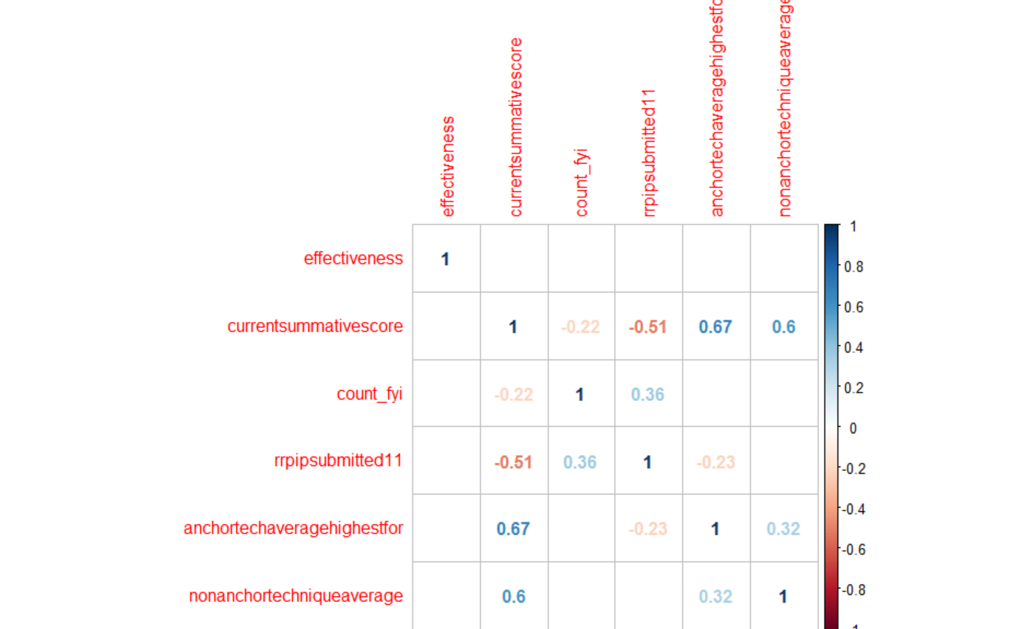
2 | 2 | 12 | 3 | 5+
2 | 3 | 3
3 | 1 | 18
3 | 2 | 2
4 | 1 | 2

*Low, insignificant correlation between FYIs and effectiveness from FDI
*strong negative correlation between number of PIPs and final PST scores

